ITP-xxx
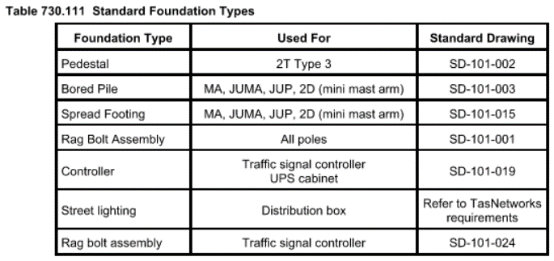
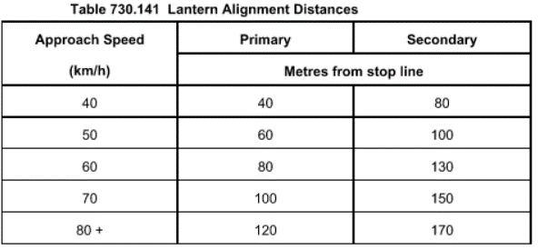
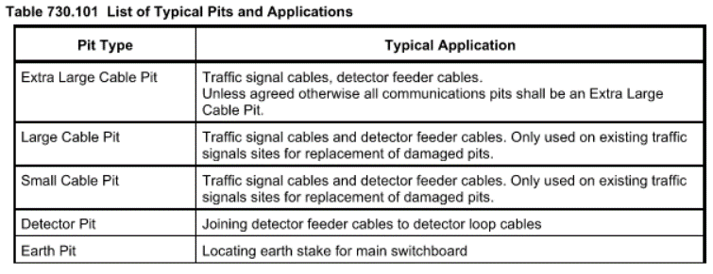
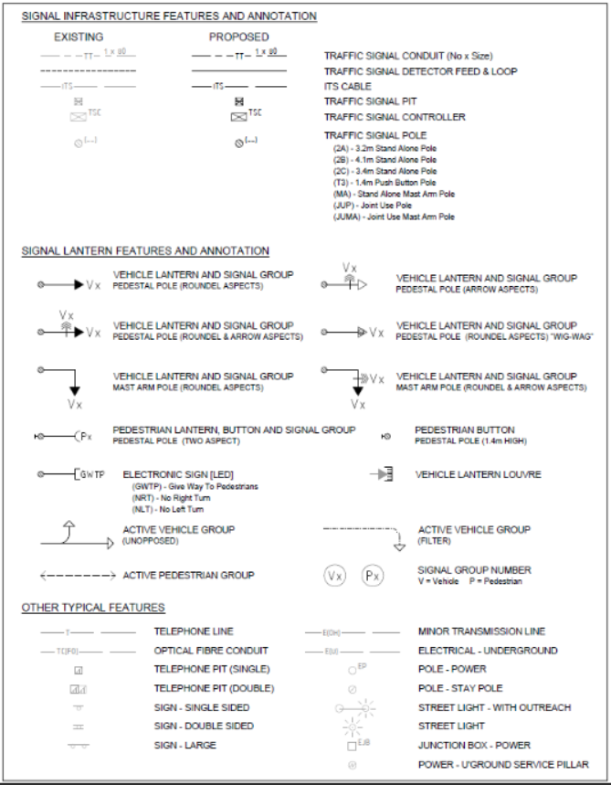
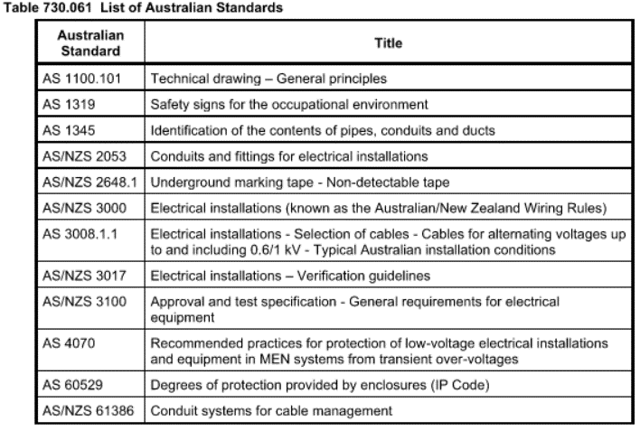
 |  |  | Inspection and Test Plan - Installation of Conduits & Pits |  |  |  |  |  |  |  |  |  | Document # ITP-009
 |  |  |  |  |  |  |  |  |  |  |  |  | Revision : 1 | Date : 04/11/24

Client: |  | Department of State Growth |  | Construction Process: |  | Prepared by: |  | Reviewed by : |  |  |  |  | Approved by :
Project: |  | Davey To Macquarie Transit Connection |  | Traffic Signal Installation |  | Name: | Carter Lawson-Kelleway | Name: |  |  |  |  | Name:
Contract No: |  | 3741 |  | Specifications: Specifications: 5. Contract 3741 - Davey to Macquarie Streets - Transit Lane Connection - Attachment 2 - Specification - Section 730, 733.
 |  |  |  | Structure / Component: Traffic Signals |  | Signed : |  | Signed : |  |  |  |  | Signed :
 |  |  |  | Location: Davey Street and Macquarie Street |  | Date : | 2024-11-04 | Date : |  |  |  |  | Date :

Lot No: |  |  | Lot Details: |  |  |  |  |  | Lot Size/ Quantity:

Item | Task/Activity Description |  | Inspection / Controls and Verification Detail |  |  |  |  | HP/ WP/ AP/ IP/ TP/ SCP | Responsibility | Checked by:
No. |  |  | Frequency | Acceptance Criteria | Reference Documents | Inspection / Test Method | Record of conformity |  | Project Engineer Site Engineer Superintendent Surveyor Foreman | SuperIntendent | QAV | DSG SM | Fulton Hogan | FH's Sub-contractor | Date
1 | Preliminary Works
1.1 | Check for correct documentation |  | Prior to commencing any activity | Ensure that all employees and subcontractors are: - using the correct and complete set of drawings -all drawings are the latest revision | Drawings and drawing registers | Visual inspection | This ITP signed off | HP* | Fulton Hogan Engineer | N/A | N/A | N/A |  | N/A
1.2 | Implementation of all measures and controls |  | Prior to commencing any activity | All necessary measures and controls are being implemented, that is: PSP, EMP, TMP/TGS, JSEA, SWMS & WP | PSP, EMP, TMP, JSEA, SWMS, WP | Visual Inspection | This ITP signed off | HP* | Fulton Hogan Engineer | N/A | N/A | N/A |  | N/A
1.3 | Ensure correct materials are being used |  | Each Product/ Supplier | Hold Point 730.07, Written acceptance of conditions must be supplied to Department of State Growth prior to purchase for equipment outside of this Specification •Electrical Conduit:All conduits installed underground for electrical wiring, traffic signals and traffic services shall be heavy duty grade , rigid orange, UPVC conduit to AS/NZS 2053.2 •Communications Conduit: Rigid white UPVC communication conduit complying with AS/NZS 2053.2 •Pit Lids: Cable pit lids shall be in accordence with DSG standard drawings from Table 733.071. •Bedding and Backfill Material: Materials used for bedding shall be free from perishable matter and shall conform with the appropriate grading and plasticity index requirements specified in Table 733.061 •Cable pits shall be in accordence to 730.10. and DSG standard drawings from Table 733.071 •Detector pits shall be in accordence to DSG Stand drawing SD-101-023 | 730.07 | Verify | This ITP signed off, Materials List Submited for Approval | HP | Fulton Hogan Engineer/Superintendant |  | N/A | N/A |  | N/A
1.4 | Pre-installation |  | Prior to Works commencing | A Pre-installation site walk is to be completed with the Electrical subcontractor, Civil Contractor, Superindentant and DSG SM Representative. The Contractor shall not commence installation of the traffic signal pedestals, poles, controller bases or pits until the pre-installation report has been approved. | 730.08 | Verify | Signed Pre-installation report by all parties | HP | Fulton Hogan Engineer/ Superintendant/DSG SM/Elect Subcontractor |  | N/A
1.5 | Set Out |  | Prior to commencing any activity | Survey activities undertaken to ensure and validate that all works meet level and location requirements. The establishment and integrity of the survey network shall be verified before commencing any survey and set out activity. IFC and latest available revision used. Where alternative foundations, conduits or pit locations are proposed, they shall be approved by the Superintendent prior to the Contractor installing items. | 730.11 | Verify | This ITP signed off | HP* | Fulton Hogan Engineer/ Superintendant |  | N/A | N/A |  | N/A
1.6 | Proving Services |  | Prior to commencing works | Underground services shall be proved by clearly marking the location of the service on the ground and physical exposure of relevant services at appropriate locations, in accordance with service authority requirements. | 160.12B | Verify | This ITP signed off | HP | Fulton Hogan Engineer/QAV | N/A |  | N/A |  | N/A
1.7 | Excavations within 3m of poles or stays, Exacavtions within 1m of Underground Assets |  | Prior to commencing works | Advice must be sought for any excavations within 3m of poles or stays, or 1m of Underground assets of TasNetworks. | 160.12A | Verify | This ITP signed | WP | Fulton Hogan Engineer/ TasNetworks | N/A | N/A | N/A |  | N/A
1.8 | Boring proposal |  | Prior to boring | Detailed proposal for any boring under carriageways submitted to superintendent two weeks prior to programmed commencement | 733.03 | Verify | This ITP signed | HP | Fulton Hogan Engineer/ Superintendant |  | N/A | N/A |  | N/A
1.9 | Submission of Mix Design |  | Prior to commencing | Hold Point Concrete mix design complies with requirements of Section 610 and appears on the Register of State Growth approved concrete mixes. Submit for review by the Superintendent not less than 4 weeks prior to the placement of concrete. | 610.07 | Correspondence of receipt of mix design | Superintendent HP Release on Procore | HP | Fulton Hogan Engineer/ Superintendant |  | N/A | N/A |  | N/A
2 | Conduits and Pits
2.1 | Excavation/Boring & Trenching |  | Prior to Backfill | •Where conduits are laid under carriageway pavements, the minimum cover from top of conduit to the pavement surface shall be 1200 mm for freeways and arterial roads, and 600 mm for local roads. • In areas where ground conditions preclude a minimum cover of 600mm, Superintendent may agree to alternative arrangements providing comparable level of protection • Saw cut edge of trench within road pavement | 733.03 | Verify | This ITP signed | IP | Fulton Hogan Engineer/ Superintendant/DSG SM |  | N/A | N/A |  | N/A
2.2 | Installation of Conduits |  | Each Lot | • All conduits to terminate in a pit in accordance with the arrangement in DSG Standard Drawings (Table 733) • Conduits for detector cables installed as per TC-1207 and TC-1320 • No bends in continuous sections of conduit shall be permitted. Changes in conduit direction shall only occur at a pit. • Cables laid in continuous unjoined lengths between relevant standard points of connection • Changes in conduit direction or depth made by natural set or wept bend – no elbows or tees • Through conduits shall be suitably aligned as they enter and leave pits to aid pulling cables • Conduits shall not be subject to construction loadings | 733.04 | Verify | This ITP signed WP | IP | Fulton Hogan Engineer | N/A | N/A | N/A |  | N/A
2.3 | Installation of Draw Cords |  | Each Lot | • All conduits shall be provided with a draw string secured at the ends | 733.05 | Verify | This ITP signed | IP | Fulton Hogan Engineer | N/A | N/A | N/A |  | N/A
2.4 | Back Fill of Trenches - Open Trench |  | Each Lot | • Bedding: -Bedding material shall be placed and compacted for the full width of the trench to a depth of not less than 80 mm on an earth foundation or 200 mm on a rock foundation -when conduits are positioned, additional 150mm layer shall be place and compacted above previous layer • Filling: -conduits under area to be paved backfilled with select back fill to subgrade level -conduits under area not to be paved backfilled with select fill to 0.4m above top of conduit and common back fill above that -conduits may be backfilled with stab sand. | 733.06 | Verify | This ITP signed | IP | Fulton Hogan Engineer | N/A | N/A | N/A |  | N/A
2.5 | Back Fill of Trenches - Inspection (Open Trench) |  | Each Lot | All conduit, pit and foundation works shall be inspected by the Superintendent and Department of State Growth TSM SME prior to the Contractor covering the works. | 733.06 | Verify | This ITP signed | HP | Fulton Hogan Engineer/SI/ DSG SM |  | N/A |  |  | N/A
2.6 | Back Fill of Trenches - Grout & Inspection (Direction Bore Trench) |  | Each Lot | Before backfilling the bore access excavation, the pressure grouting shall be inspected by the superintendent or representative. The annulus between the bore and the carrier conduits shall be filled by low thermal resistivity, flowable and pumpable grout mixture (comprising sand, cement and suitable additives such as flowable fill). The grout mixture shall be suitable for backfilling around conduits carrying high voltage electrical cables and shall have the following properties: • low exothermic temperature generation during curing • a thermal resistivity (TR) value of less than 1.2K.m/W when fully dried • a maximum grout flow time through a standard flow cone test of 30 seconds in accordance with AS 1478.2 • compressive strength in the range of 0.5 to 2.0 MPa at 28 days • a maximum heat of hydration of 35ºC when tested in an insulated 300mm x 300mm cube. Grouting shall fill the voids at low injection pressures without causing deformation to the conduits within the bore holes. The ends of conduits shall be sealed watertight to prevent ingress of grout. | 733.06 | Verify | This ITP signed | HP | Fulton Hogan Engineer/SI/ DSG SM |  | N/A |  |  | N/A
2.7 | Compaction |  | Each Lot | All pavement material shall have during compaction, uniform moisture content within the range 85% to 115% of the optimum moisture content as determined in the Modified Compaction test. All pavement layers shall be placed and compacted in layers to a density ratio of not less than 98%. The calculation of density ratio shall be based on Modified compactive effort. | 733.06 | Verify | This ITP signed | TP | Fulton Hogan Engineer | N/A | N/A | N/A |  | N/A
2.8 | Installation of marker tape |  | Each Lot | Marker tape at 100mm wide is to be installed 300mm above each line of conduits in all trenches where electrical and communications conduits are provided. When constructed in a shared trench, it must be ensured that the electrical warning tape is on top. | AS/NZS 3000:2018 | Verify | This ITP signed | IP | Fulton Hogan Engineer | N/A | N/A | N/A |  | N/A
2.9 | Cable Pits & Pit Lids |  | Each Lot | • Cable pits constructed and installed as per drawings • Cable pits for traffic signals constructed and installed as per DSG standard drawings from Table 733.071 • Cable pit lids shall be labelled in accordance with SD-101-022 as appropriate. • Reinforced concrete apron installed around pits that aren’t within footpath area (unsealed area) • Heavy pit lid provided where pit is located in trafficable areas • All pits, junction boxes or terminal pits for electrical purposes shall be watertight • Pits shall be constructed such that the level of the top of the pit lid matches surrounding finished surface level, top of pit wall is finished so that lid fits without movement • All conduit connections to cable pits shall be neatly made and the ends of the conduits trimmed off and fitted with a conduit bush. The area between the conduit bush and pit wall shall be stopped with a suitable sealant that bonds to the pit wall and the conduit. | 733.07 | Verify | This ITP signed | IP | Fulton Hogan Engineer | N/A | N/A | N/A |  | N/A
2.10' | Asbestos Removal |  | Each Lot | Asbestos or suspected asbestos found on site that is not identified in the Project Specification shall be immediately reported to the Superintendent. The Contractor shall not disturb any asbestos or suspected asbestos unless approved by the Superintendent in writing. | 733.07 (b) | Verify | This ITP signed | HP | Fulton Hogan Engineer/Superindentant |  | N/A | N/A |  | N/A
2.11 | Pit Lid Surrounds |  | Each Lot | Before the pit lid surround or pre-formed collar is cemented into position an inspection by Department of State Growth Superintendent or representative must be carried out. Cable pit lids and frames, where required, shall be installed with an approved surround. The app types of pit lid surround are: (i) a poured ‘in situ’ concrete apron (typically used where two or more pits are co-located) (ii) a steel pre-formed collar that requires concrete in-filling ‘in situ’ (iii) a pre-formed composite material collar. | 733.07 (c) | Verify | This ITP signed | HP | Fulton Hogan Engineer/Superindentant/DSG SM |  | N/A |  |  | N/A
3 | Posts/Pedestals
3.1 | Determine footing required at location |  | Prior to Commencing | Check against IFC Drawings and standard drawings that the correct footing will be constructed each area | IFC Drawings | Visual Inspection | This ITP Signed | IP | Fulton Hogan Engineer | N/A | N/A | N/A |  | N/A
3.2 | Excavation Levels |  | Each lot | Check levels conform to relevant drawing depending on type of pole to be installed. | IFC Drawings | Visual Inspection | This ITP Signed | IP | Fulton Hogan Engineer | N/A | N/A | N/A |  | N/A
3.3 | Rag Bolt Assembly |  | Each location where rag bolts are required as apart of Standard Drawings | Check rag bolts are assembled as per DoSG Standard Drawings and/or manufacturers specifications (relevant to type of foundation required). Rag Bolt assembly shall comply with Standard Drawings TC-1200 and/or Table 730.111 drawings | State Growth Standard Drawings - Rag Bolt Assembly TC-1200 | Visual Inspection | This ITP Signed | IP | Fulton Hogan Engineer | N/A | N/A | N/A |  | N/A
3.4 | Pre-pour inspection |  | Prior to covering the works | All conduit, pit and foundation works shall be inspected by the Superintendent prior to the Contractor covering the works. | 730.11 | Visual Inspection | This ITP Signed | HP | Fulton Hogan Engineer/Superindentant/DSG SM |  | N/A |  |  | N/A
3.5 | Pouring of concrete - foundations |  | Each Lot | All concrete works shall conform to VicRoads standard drawings and to be undertaken in accordance with Section 730.13 of the Specification and Section 610. Concrete to be a minimum concrete grade of VR330/32 or approved alternative. | 730.13 | Document review & Site inspection | This ITP Signed | IP | Fulton Hogan Engineer | N/A | N/A | N/A |  | N/A
3.6 | Sampling and Concrete Testing |  | Each Pour | Concrete Strength Grade shall be N32 to the requirements of AS 1379. Testing to be in accordance with AS 1012 and AS 1379. Each sample of concrete shall be testing for compressive strength and slump. Standard compression tests shall comprise of 3 cylinders ( 1x7day, 2x28day). Sampling shall be undertaken as for Table 730.131: 1 Sample = 0-10m3 2 Sample = 10-25m3 3 Sample = 25-50m3 4 Sample = 50-100m3 | 730.13 | Test | This ITP Signed | TP | Fulton Hogan Engineer | N/A | N/A | N/A |  | N/A
3.7 | Standing of Pedestals and Poles |  | Each Lot | Pedestals and poles shall be installed in accordance with the following requirements: (1) for all new and major remodels, all Type 2 pedestals shall be 2T (2) for minor remodels 2T pedestals shall be used (3) where specified, Type 3 pedestals shall be installed for pedestrian detectors (5) pedestals and poles shall be fastened to the rag bolt assembly cast into the foundations, as detailed in Standard Drawing SD-101-003, with the nuts tightened to 150 Nm of torque (6) pedestals and poles shall be installed such that they are vertical when fully loaded (7) pedestals shall not be stood within 48 hours of casting of the foundations (8) JUP, MA and JUMA poles shall not be stood within 7 days of the casting of the foundations (9) JUP, MA and JUMA poles shall be installed such that the access door is on the face furthest from the traffic flow. | 730.14 (A) | Verify | Test Reports | IP | Fulton Hogan Engineer | N/A | N/A | N/A |  | N/A
3.8 | Post pour Inspection |  | Each Lot | Complete post pour inspection. Cure concrete and inspect for cracks and defects | 730.12 (d) | Test | This ITP signed off | IP | Fulton Hogan Engineer | N/A | N/A | N/A |  | N/A
4 | Lantern/Hardware Installation
4.1 | Hardware Installation |  | Each Lot | Hardware shall be installed in accordance with the following requirements: (1) all lanterns shall be mounted vertically, using standard straps securely fixed to mounting brackets or lugs (2) upper mounting brackets shall be oriented and fixed to the top of pedestals in accordance with Standard Drawing SD-101-102 (3) two-way and four-way lower mounting brackets shall be fixed as required to provide suitable mounting points for the installation of lanterns (4) the top and bottom of each lantern must be firmly attached to ensure that it will not rotate (5) each lantern shall be attached so as to provide an unobstructed line of sight to the traffic which it controls, and such that the potential to be hit by vehicles is minimised (6) external cables and conduits shall be fixed to pedestals, poles or supports using suitable plastic cable ties (7) cable connections to lanterns shall be of sufficient length to hang below the cable entry point on the lantern (this is referred to as a drip loop), but not hang below the lower mounting strap, as shown in Standard Drawing SD-101-103, and shall be securely fixed by means of cable ties (8) cable connections to lanterns shall be made with continuous lengths of cable; no joins shall be allowed; this will typically require the cables supplied with lanterns to be replaced with longer cables when installed on mast arm outreaches (9) junction boxes, key switches, and all other electrical hardware shall comply with the relevant Australian Standards. | 730.14 (c ) | Visual inspection | This ITP signed | IP | Fulton Hogan Engineer | N/A | N/A | N/A |  | N/A
4.2 | Lantern Mounting Height |  | Each Lot | Lantern mounting heights shall be in accordance with the following requirements: (1) mounting heights for lanterns on 2T pedestals shall be as specified in Standard Drawing SD-101-202 (2) lanterns installed on the vertical section of an MA, JUP and JUMA shall be mounted on lugs so as to give the same mounting heights for the respective lantern positions as specified in Standard Drawing SD-101-202 (3) lanterns on the outreach of an MA or JUMA shall be mounted in accordance with Standard Drawing SD-101-011 (4) 1 and 2 aspect lanterns shall be installed to achieve the mounting height of an aspect of the same colour as if it were part of a 3-aspect lantern (5) 2 aspect bicycle lanterns shall be mounted at the same height as pedestrian lanterns (6) aspects fitted with white or lunar white lenses shall be mounted at the same height as a green aspect (7) lanterns mounted on poles not belonging to Department of State Growth shall be mounted at the same heights as specified in Standard Drawing SD-101-202 (8) internally illuminated signs shall be mounted at a height to provide a clearance of not less than 2.4 m from the finished surface level (9) flashing yellow signals used at pedestrian crossings shall be mounted at the height specified in Standard Drawing SD-101-203. | 730.14 (d) | Visual inspection | This ITP signed | IP | Fulton Hogan Engineer | N/A | N/A | N/A |  | N/A
4.3 | Lantern Mounting Locations and Allignment |  | Each Lot | Lantern mounting locations shall be in accordance with the following requirements: (1) lanterns shall be mounted as indicated in Standard Drawing SD-101-102and SD-101-202 (2) pedestrian lanterns shall be mounted not more than 1 m from the projection of the nearest crosswalk line (3) where 2 aspect bicycle lanterns are installed adjacent to pedestrian lanterns, the bicycle lanterns shall be located on the furthest side from the pedestrian crossing (i.e. left side of the pedestrian lantern when looking at the displays). The alignment of lanterns shall be in accordance with the following requirements: (1) vehicle lanterns shall be aligned so as to provide optimum visibility for approaching traffic considering road alignment, speed, visibility and other site characteristics (2) generally, lanterns shall be aimed at a point on the centre of the approach, at a distance before the stop line as shown in Table 730.141. (3) pedestrian lanterns shall be aimed at the mid-point of the cross walk on the opposite side of the carriageway to which it applies. | 730.14 (e & f) | Visual inspection | This ITP signed | IP | Fulton Hogan Engineer | N/A | N/A | N/A |  | N/A
4.4 | Target Boards, Visors and Louvres |  | Each Lot | All target boards shall suit the housing type (metal, plastic) of lanterns and include a white border around the outside edge Target boards shall be fitted to all lanterns in accordance with Standard Drawing SD-101-103 All visors for vehicle lanterns shall be type 3 with no cutaway. All visors for pedestrian and bicycle lanterns shall be type 4 with no cutaway. Refer to Department of State Growth Standard Drawing SD-101-104 for details of the visor types. Louvres shall not be installed on LED lanterns unless otherwise specified. | 730.14 (g) | Visual inspection | This ITP signed | IP | Fulton Hogan Engineer | N/A | N/A | N/A |  | N/A
4.5 | Installation of Pedestrian Push Buttons |  | Each Lot | Pedestrian push buttons shall be installed in accordance with following requirements: (1) pedestrian push button assemblies shall be mounted clear of any access openings and such that the centre of the button is 0.9 m above finished surface level, as shown in Standard Drawing SD-101-202 (2) Pedestrian push button shall be mounted within proximity of ramps, preferably in ramp wings to enable reachable access maximum distance is 300 mm as specified in Standard Drawing. (3) the face of the button shall be in line with the direction of the associated walk lines (4) the tactile arrow indicator shall be oriented to indicate the walk direction to which the button relates, with the arrow pointing up to indicate a straight ahead walk direction (5) where a single button is mounted in a median, a double headed arrow plate shall be used with the arrow oriented horizontally and the front face of the button shall be parallel with the walk direction (6) a label complying with Standard Drawing SD-101-402 shall be installed on the pedestal or pole directly above each pedestrian push button. | 730.14 (h) | Visual inspection | This ITP signed | IP | Fulton Hogan Engineer | N/A | N/A | N/A |  | N/A
4.6 | Non-Commissioned Lanterns |  | Each Lot | The faces of all installed but not yet operating lanterns shall be covered. At sites that have not been switched on, all vehicle lanterns shall be covered with ‘NOT IN USE’ signs as shown in SD-101-403. At remodel sites, or sites where existing lanterns are operating, all non-operating lanterns shall be covered with a ‘NOT IN USE’ sign or other approved method. | 730.14 (h) | Visual inspection | This ITP signed | IP | Fulton Hogan Engineer | N/A | N/A | N/A |  | N/A
4.7 | Inspection |  | Each Lot | All installed hardware shall be inspected by the Superintendent prior to works proceeding | 730.14 | Visual inspection | This ITP signed | HP | Fulton Hogan Engineer/SuperIndentant |  | N/A | N/A |  | N/A
4.8 | ITS Installation |  | Each Lot | All ITS equipment shall be supplied and installed in accordance with 732. | 732 | Visual inspection | This ITP signed | IP | Fulton Hogan Engineer | N/A | N/A | N/A |  | N/A
5 | Electrical
5.1 | Point of Supply |  | Each Lot | Point of Supply to be Installated as per 730.16 (a) to be captured on "DTM-ITP-005 - Service Relocations - TasNetworks". The Contractor shall lodge all relevant associated documentation to comply with the requirements of TasNetworks and WorkSafe Tasmania for the provision of a 240 v 50 Hz single phase power supply for final termination on not less than a 32 amp service fuse. | 730.16 (a) | Verify | This ITP signed | IP | Fulton Hogan Engineer | N/A | N/A | N/A |  | N/A
5.2 | Connection of Traffic Signal Controller |  | Each Lot | The Contractor shall install a 2 or 3 core low voltage power supply cable in a Dia. 50 mm HDPE conduit between the point of supply and the controller base in accordance with the requirements of the supply authority. Sufficient cable shall be provided to reach 1.0 m above the controller base. An additional length of at least 1.5 m of the power supply cable shall be left coiled in the pit closest to the controller base. The active and neutral cores of the power supply cable shall have a cross sectional area not less than 6mm2 | 730.16 (b) | Verify | This ITP signed | IP | Fulton Hogan Engineer | N/A | N/A | N/A |  | N/A
5.3 | Site Cabling |  | Each Lot | All Cabling to be installed as per 730.17. | 730.17 | Visual inspection | This ITP signed | IP | Fulton Hogan Engineer | N/A | N/A | N/A |  | N/A
5.4 | Installation of Detector Loops |  | Each Lot | The Contractor shall arrange for the installation of vehicle detector loops in accordance with the drawings. Traffic Signals Maintenance can assist in the installation of vehicle detector loops as agreed. Where the road is to be resurfaced Sub-Pavement Loops (EZY Loops) shall be installed under the wear surface of the final bitumen seal. | 730.17 (f) | Visual inspection | This ITP signed | IP | Fulton Hogan Engineer | N/A | N/A | N/A |  | N/A
6 | Comissioning and Testing
6.1 | Testing of Electrical Works/PreCommisioning |  | All Electrical Works | Electrical installation testing in accordance with AS 3000 and AS 3017, including: • continuity of all active conductors • continuity of neutral and ELV conductors • continuity of earthing system in accordance with Clause 8.3.3 of AS/NZS 3000 • insulation resistance test of all field cables in accordance with Clause 8.3.3 of AS/NZS 3000 wiring rules The following reports (VRS 730) completed and made available to the Superintendent: • Electrical Test Report • Insulation Resistance Test of All Field Cables • Power Consumption Record • Continunity Test Report Flash Test is to be carried out. Once the flash test has been confirmed as acceptable, the site is to run with the lamps circuit breaker isolated for seven days to confirm correct operation of site | 730.22 | Verify | All Electrical Reports Listed | HP | Fulton Hogan Engineer/Superindentant |  | N/A | N/A |  | N/A
6.2 | Provision of Power |  | All Electrical Works | The Contractor shall arrange for the submission of all necessary paperwork, inspections, payment of fees, etc., to obtain connection to mains supply. The Contractor shall advise the Superintendent when power is available at the site. The Contractor shall arrange for the issuing of the Certificate of Electrical Compliance and be responsible for the submission of all necessary paperwork, inspections, payment of fees, etc., to obtain connection of mains supply to the site. | 730.22 (b) | Verify | This ITP signed | HP* | Fulton Hogan Engineer | N/A | N/A | N/A |  | N/A
6.2 | Traffic Signal Controller Installation |  |  | The Traffic Signal Controller is to be installed as per 730.23 following the successful release of all Holdpoints in 6.1, as outlined in 730.23 (a) and (b). | 730.23 | Verify | This ITP signed | IP | Fulton Hogan Engineer | N/A | N/A | N/A |  | N/A
6.2 | As-constructed drawings |  | At completion of works | Installed location and depth of conduits, and location of pits and pedestals, shall be accurately recorded on as-constructed drawings. | 733.24 (f) | verify | Red-line mark-up | IP | Fulton Hogan Engineer | N/A | N/A | N/A |  | N/A
6.3 | Comissioning |  | At completion of works | Prior to switching the signals on, ‘flash’ test of the installation carried out by the Contractor and controller installer, to ensure that each lantern is connected to the correct cable core. Flash test witnessed by the Superintendent and confirmed as acceptable. • Comissioning Report (Post Switch on) • Power Cunsumption Record (After Switch on) | 730.24 (g) | verify | This ITP signed off | HP | Fulton Hogan Engineer |  | N/A | N/A |  | N/A

 | Final Inspection
 | The signature below verifies that this ITP has been completed in accordance with the FH’s Quality system Procedures and verifies lot compliance with specifications.
 | Print Name: |  | Position: |  | Signature: |  |  |  |  | Date: / /

Legend
HP | Hold Point | Work shall not proceed past the HP until released by the Superintendent |  |  | IP | Inspection point |  | Formal Inspection to be done and recorded
HP* | FH Hold Point | Work shall not proceed past the HP* until released by FH |  |  | TP | Test Point |  | Product compliance test to be undertaken and recorded/reported
WP | Witness Point | An inspection which must be witnessed by the Superintendent |  |  | SCP | Survey conformance point |  | A qualified surveyor to check product/section/structure and report
AP | Approval Point | Written or verbal approval given by the Superintendent

